Basic stats concepts
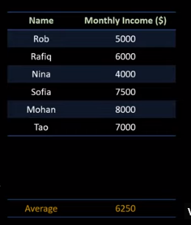
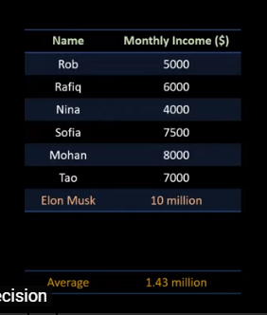
 |  |  |  | With second data , average will not give me correct result
 |  |  |  | as Elon Musk alone earner 10 M which is an outlier
 |  |  |  | so average is not good idea here

 |  |  |  | hence we use middle vale for evaluation
 |  |  |  | which is nothing but MEDIAN

Where we can use the mean and median -
One for descriptive analysis

Other to find missing value
Example in above case lets say we have one more entry for whch salary is missing
We can use concept of median and mean here

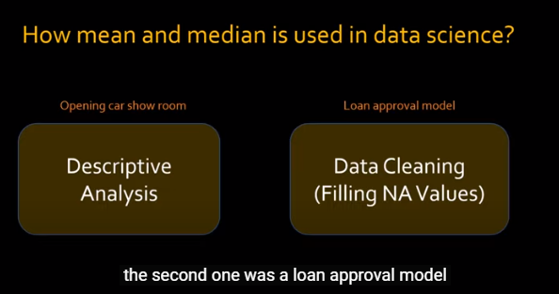

#Other observation in above data set is 10M value is outlier
So we may have to remove the outlier for analysis
\

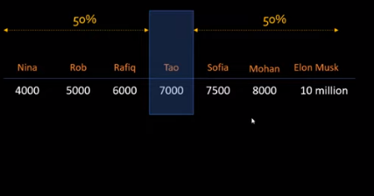

 |  | So here 50th percentile value is 7000
 |  | Means 50% value is less than 7000
 |  | Now 100% values are how many values are less than max value
 |  | 25% percentile means 25 % of data is less than 5500\

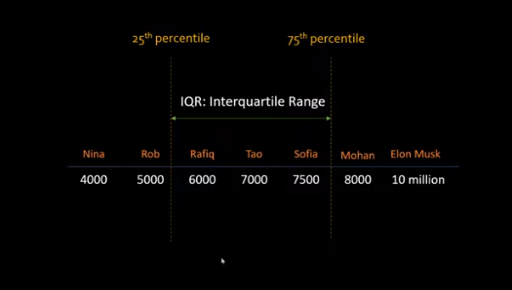

 |  |  | Interquartile range is range between 25% to 75%

We use perecntile to remove the outliers .Example here remove the data which are aboev 99% percenti;e

So percentile is relative scoring . Means in exam if you get 75% , but you got he highest then your % score is 100

What is Mode?

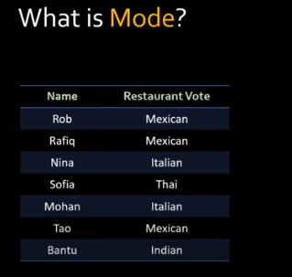

 | So mode is most frequent occuring value

 | Here Mexican is the value

